How to Download comments
1. Log on to Members Only Area.
2. Go to the public review page.
3. Select the Results tab.
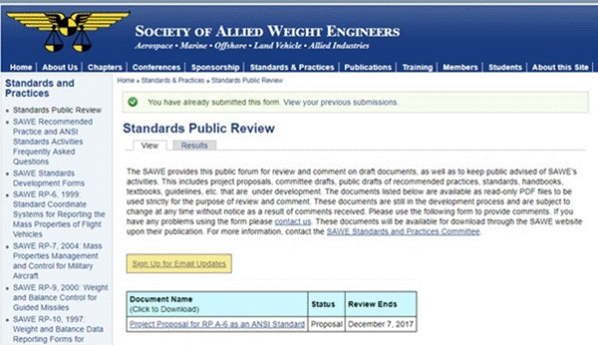

4. Review the comment list for pertinent comments and then select “download”
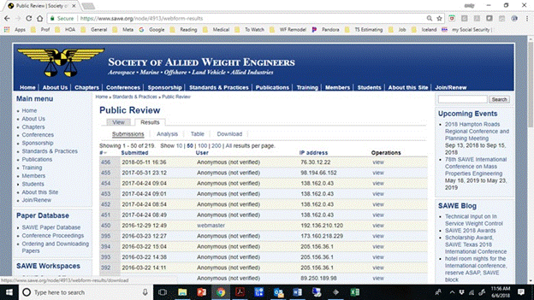

The comment Results page looks like this. A description of the tabs is presented below.
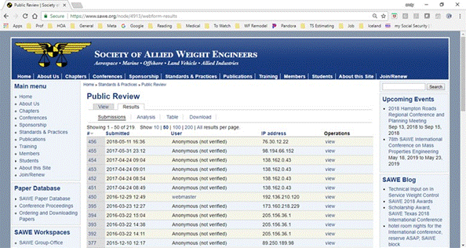

Submissions - is a listing of all comments – it is used to determine how many and the count numbers of the comments pertinent to the document under review
Analysis – is some statistics about the document comments – Not used at this time
Table – is an only table of the comments with the following column headings:

Download – is where you can define what and how to download comments.
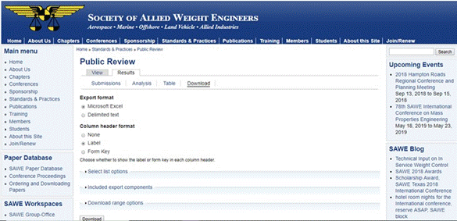

The Select List Option is not used at this time and includes:
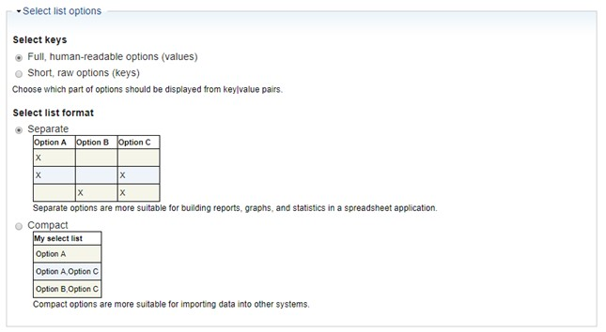

the Include Export Components – allows you to select which columns to download

The Download Range - Option allow you to define which comments will be downloaded.

5. When you select download,
a. You will get a message:” Export creation complete. Your download should begin now, if it does not, download the file here. This file may only be downloaded once”

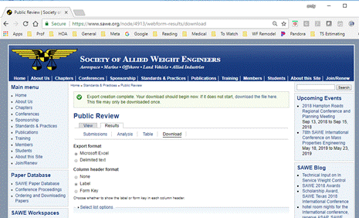
Now select download button on the page above and then “download the file here”

b. You will get a message. “No export file ready for download. The file may have already been downloaded by your browser. Visit the download export form to create a new export.”
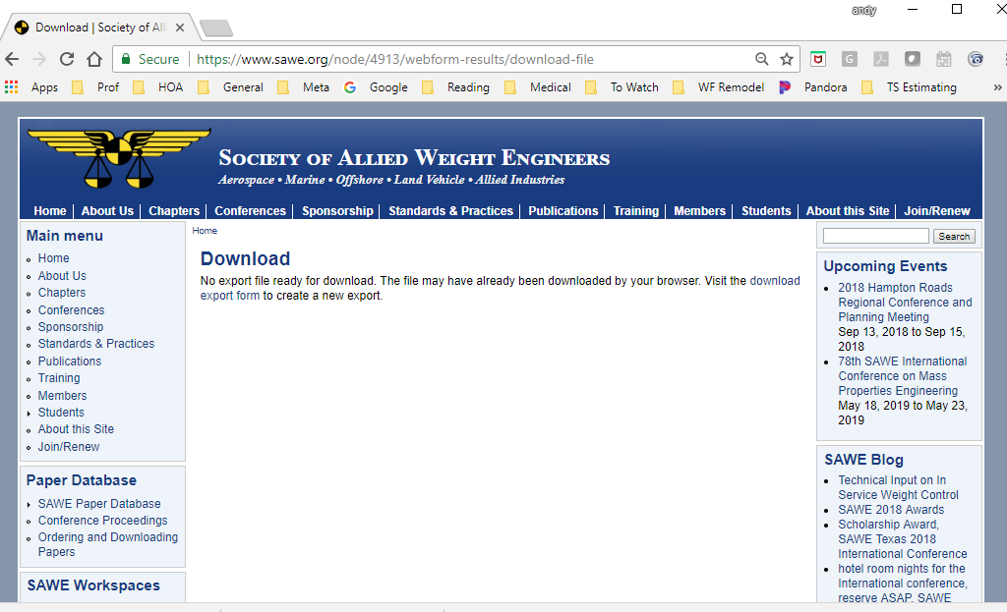

c. the file will show up in your “download” folder as “Standard_Public_Review”
d. copy the file into the master file.
e. master file will convert it into a worksheet, organized by document
6. Copy the comments into the SnP-6 Comment Tracking Sheet

